Sheet1
 | Document No. |  | Issue No. | Issue Date |  |  | Review and Replace Date |  | Authorised By
 | GFF492MC |  | 1 | 03.02.2025 |  |  | New issue |  | Magda Shah
 | Document Title |  | COOK KATSU CHICKEN BITES 150G
Document amendments reason for change | New Document |  |  | Page 1 of 1 |  | Previous Issue Date |  | New issue | Uncontrolled copy unless signed original

FCKATB2-R8TCO |  | COOK | KATSU CHICKEN BITES 150G | FROZEN

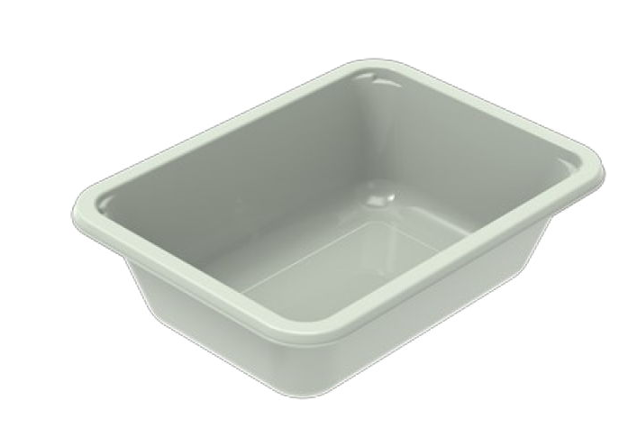   |  |  |  |  | 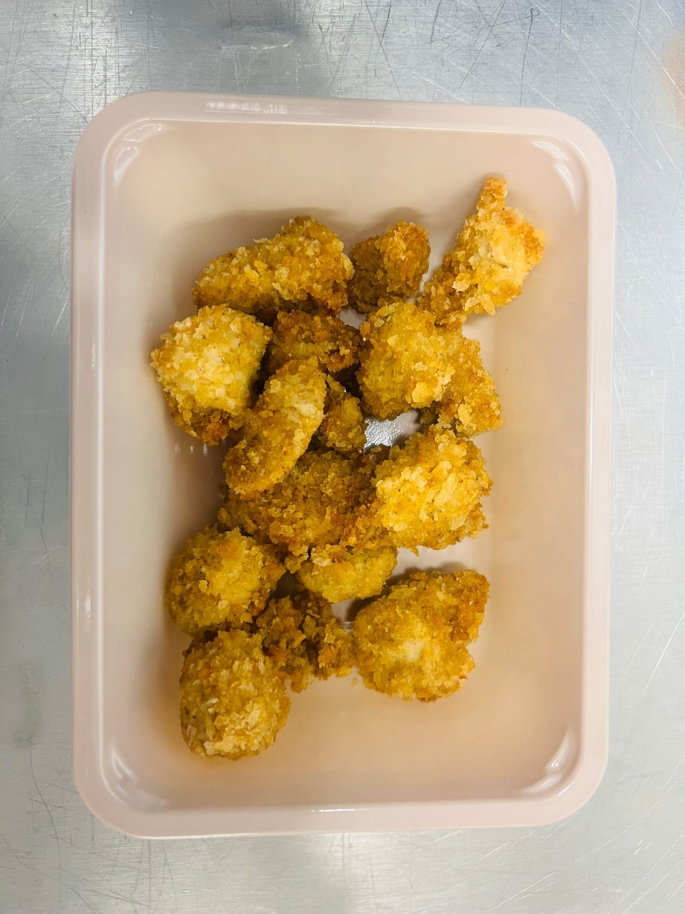

PROCESS TO FOLLOW:
- Pack Katsu Chicken Bites CHILLED in correct tray (NO GAS)
- Send to sleeving for sleeves & BB date application
- Once sleeves applied, product to be placed in a cage and sent to Blast Freezer - Dispatch for freezing

MINIMUM 6 PIECES OF CHICKEN

Tray: EVOLVE CPET 2171-1F FROST (PKRHP001-14) |  |  |  |  | Katsu Chicken Bites (GFF516R) 150g
Film: K Peel 3G 25µm (275mmX1000lm)(PKKMP001-04) |  |  |  |  | Total Weight: 150g
ALLERGY ALERT: MUSTARD, SOYA, WHEAT

